Financials
Integrated Monitoring Solution
 |  |  |  |  | Welcome, | 12898 | Logout
Cust ID | 12345678 | Name | XYZ ABC COMPANY LIMITED |  | Exposure | 99,99,99,99.99 | (Rs. in Lacs)
Pan No. | AAAAA1234A | Constitution | Public Limited Company | Branch | As on | DD.MMM.YY | Print
 |  |  | Latest Audited Financial and Previous years from Sanction Application
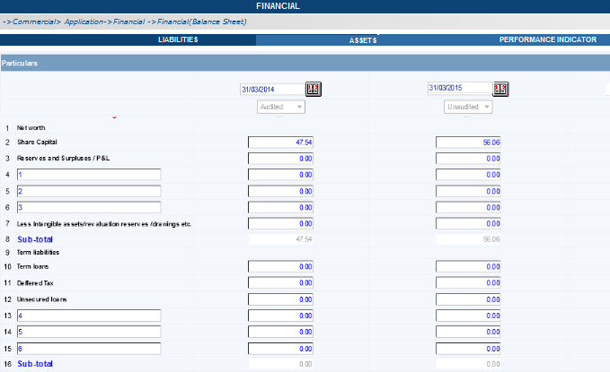
General
SO/Cond/Approvals
Interest Rate
Financials
Security Details
Reports / Documents |  |  |  |  |  |  |  | External Sources like BSE, Company Website, Money Control or Economic Times or User
Inspection Comments
Ratings
Restructing / Rescheduling
SMA Catagorisation
Irregularities Snapshot
External Sources
Activity Logs
Department Views
Misc Information
Download Reports
Account Details

